Immune Cells - SpleenvsTumor
Classification: ROC Curves

 |  | ROC Score
Features | Features Included | Random Forest | Linear SVM | Logistic Regression | %Training | %Testing | Top Performing
N t1 mean | All | 0.96 | 0.94 | 0.94 | 70 | 30
N t2 mean | All minus cell size | 0.94 | 0.92 | 0.93 | 70 | 30 | Second Performing
N a1 mean | N t1, N tm | 0.88 | 0.82 | 0.82 | 70 | 30
N a2 mean | N t1, N tm, F tm | 0.94 | 0.90 | 0.90 | 70 | 30
N tm mean | N t1, N tm, cell size | 0.90 | 0.86 | 0.86 | 70 | 30
F t1 mean | N t1, N tm, F a1 | 0.94 | 0.91 | 0.91 | 70 | 30
F t2 mean
F a1 mean
F a2 mean
F tm mean |  | Top Performing |  |  |  | Second Performing
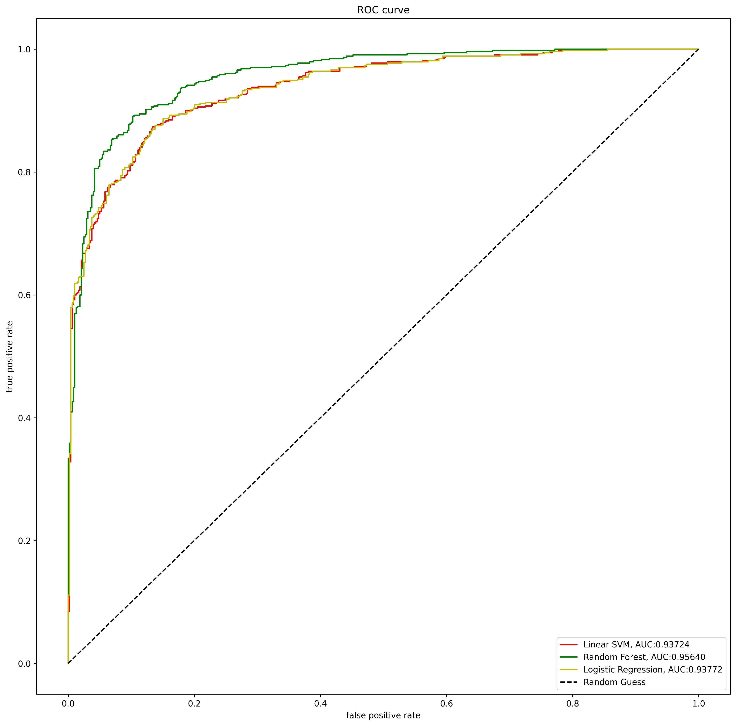
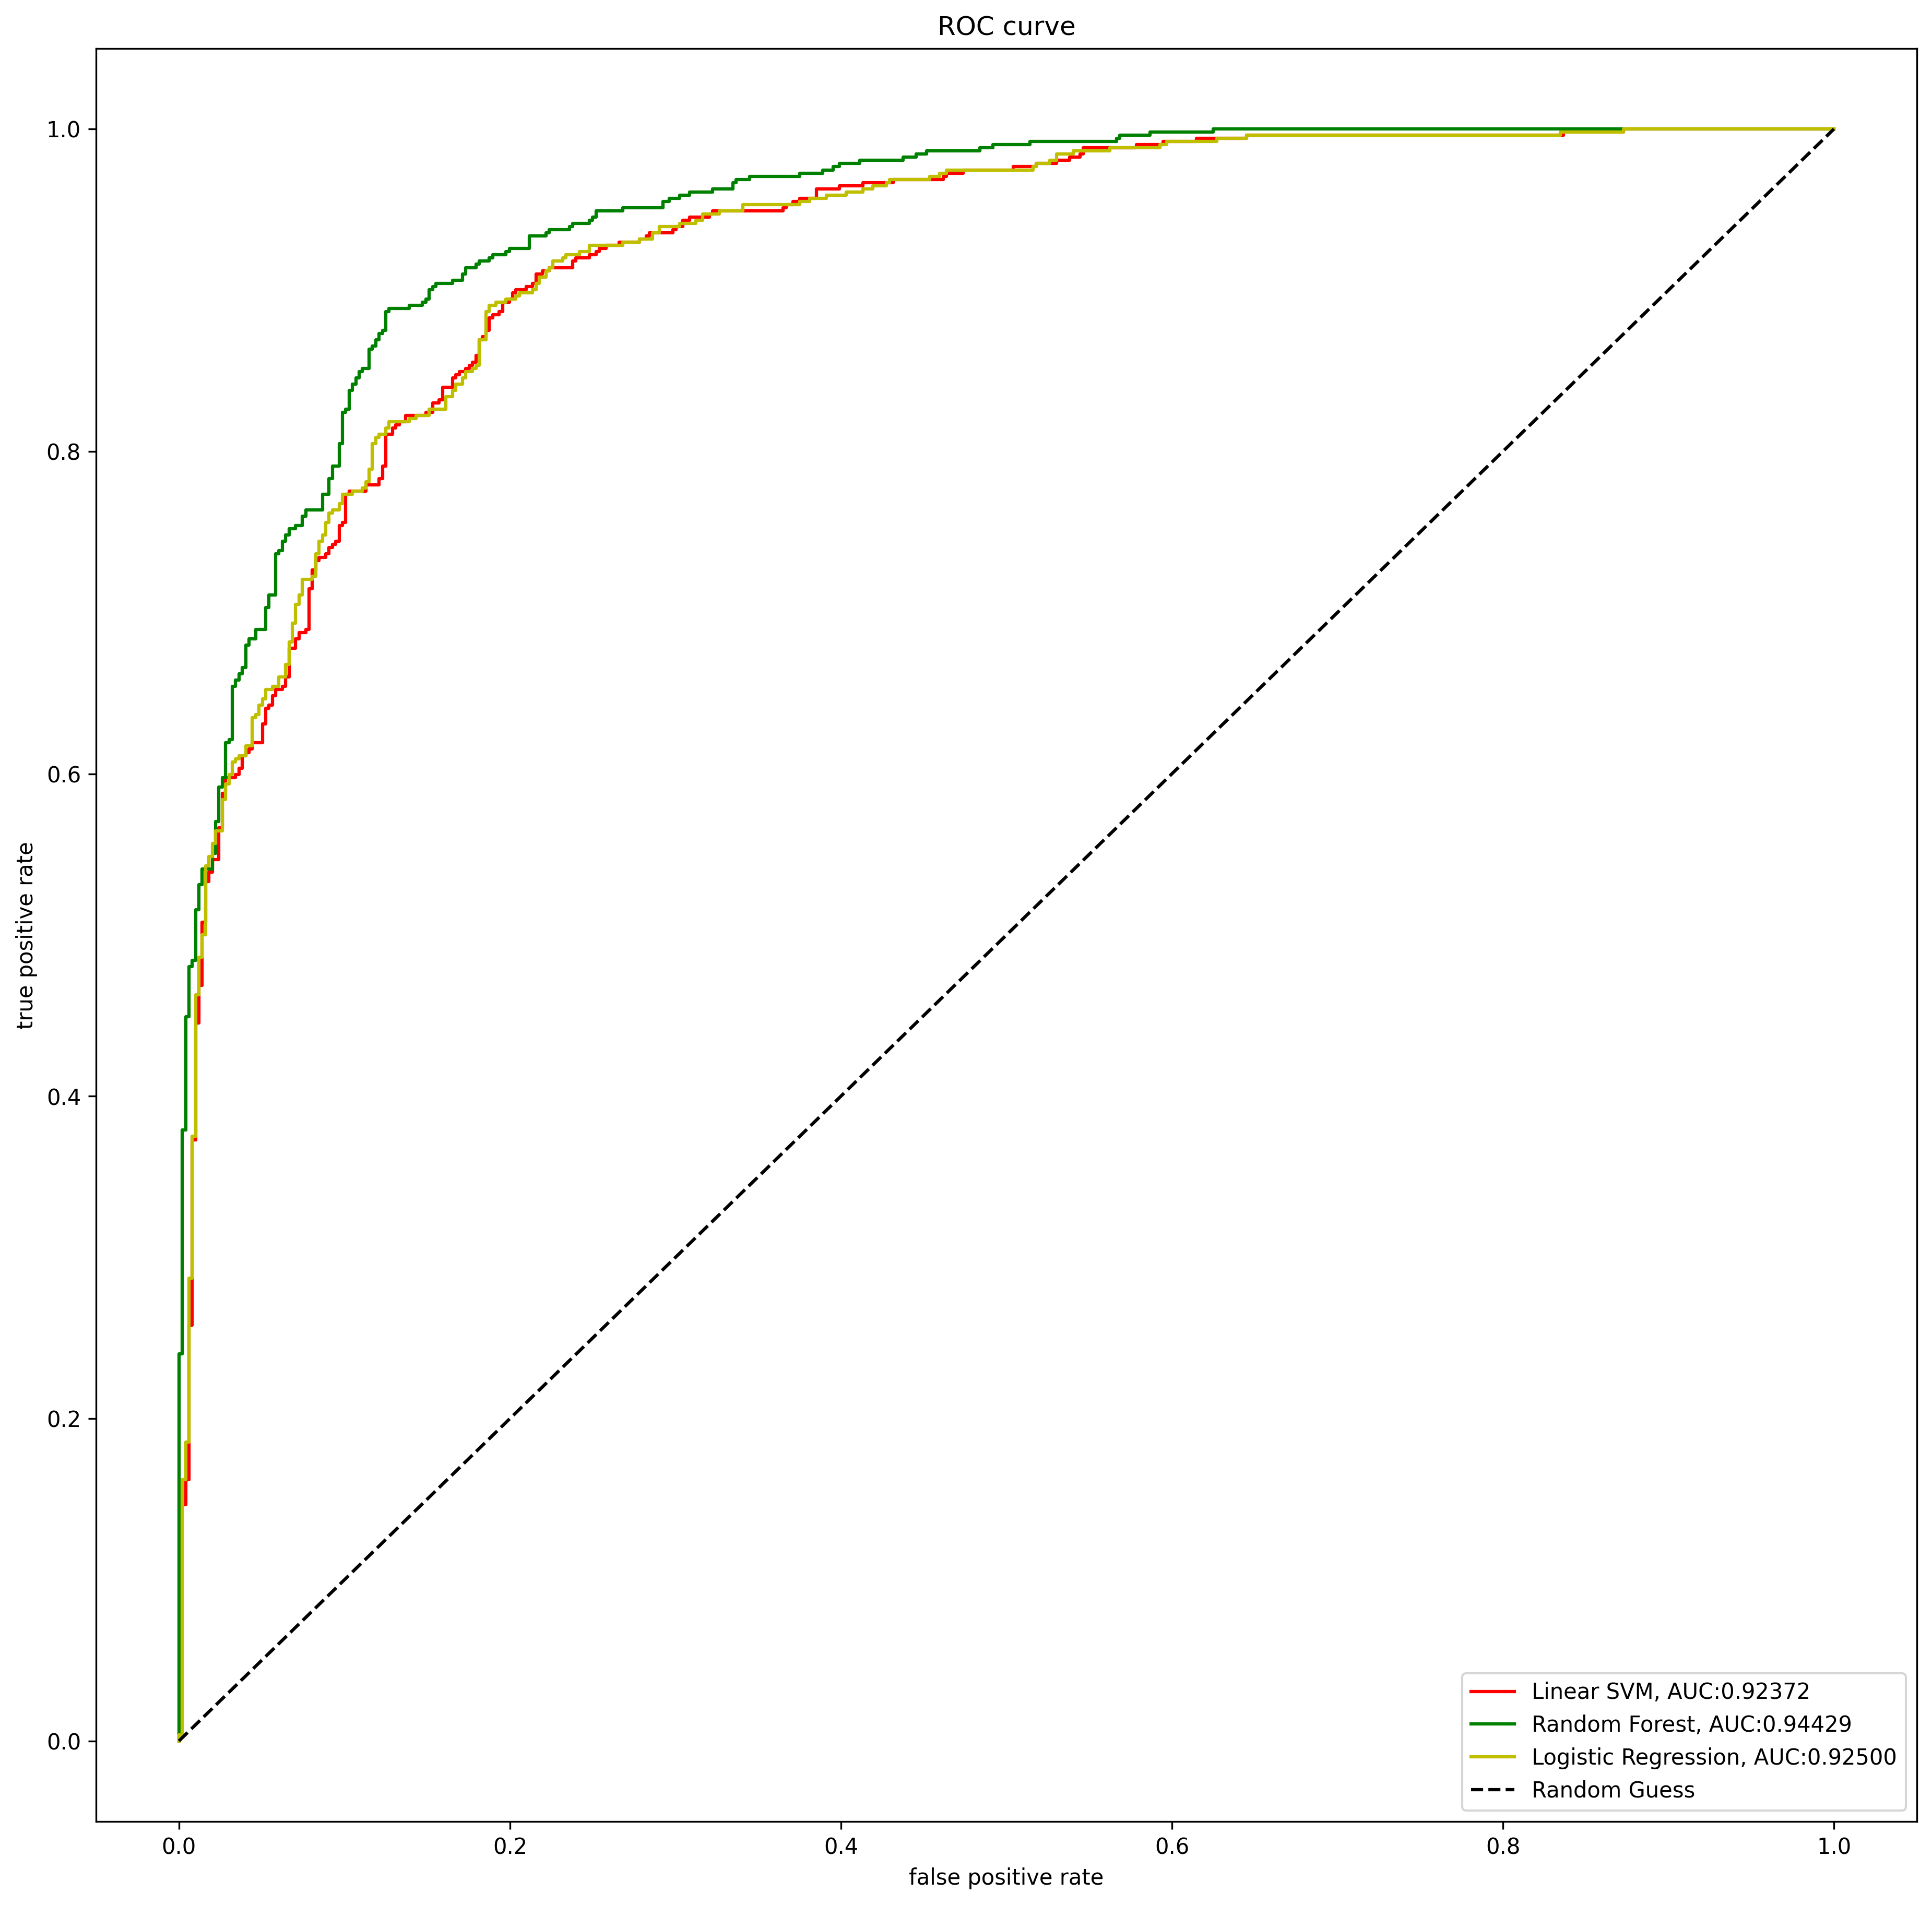
cell size # pixels

Classifying On
Immune cell tissue: spleen vs. melanoma tumor

Immune Cell vs Tumor Cell
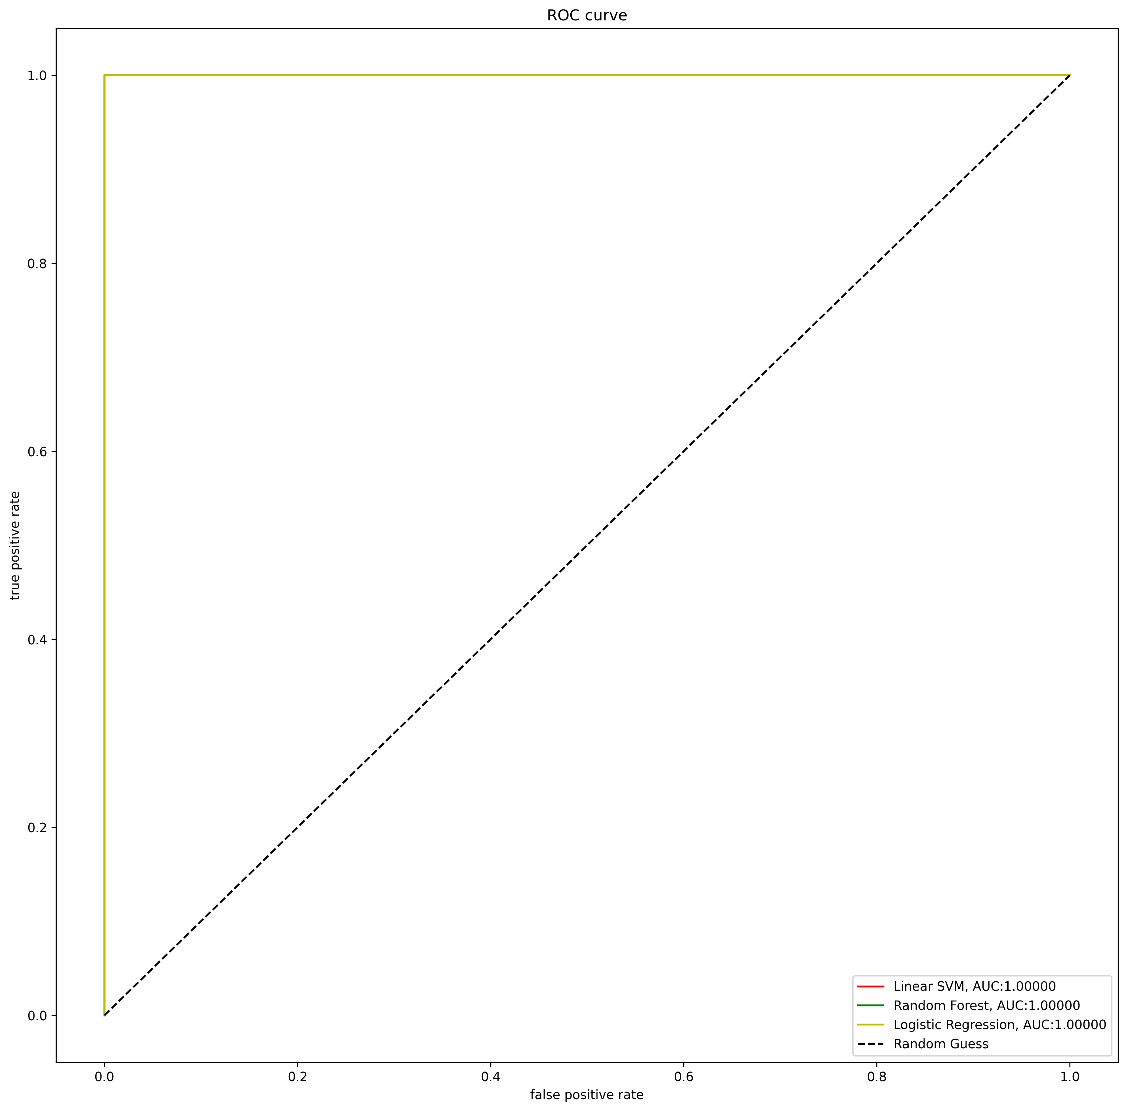
Classification: ROC Curves

 |  | ROC Score
Features | Features Included | Random Forest | Linear SVM | Logistic Regression | %Training | %Testing | Top Performing
N t1 mean | All | 1.00 | 1.00 | 1.00 | 70 | 30
N t2 mean | All minus cell size | 1.00 | 1.00 | 1.00 | 70 | 30 | Second Performing
N a1 mean | F a1, F a2 | 1.00 | 1.00 | 1.00 | 70 | 30
N a2 mean | F a2 | 1.00 | 1.00 | 1.00 | 70 | 30
N tm mean | F a1 | 1.00 | 1.00 | 1.00 | 70 | 30
F t1 mean | N a1, N a2 | 0.60 | 0.59 | 0.59 | 70 | 30
F t2 mean | F a2, F t2 | 1.00 | 1.00 | 1.00 | 70 | 30
F a1 mean | F a2, N tm | 1.00 | 1.00 | 1.00 | 70 | 30
F a2 mean | N tm | 1.00 | 1.00 | 1.00 | 70 | 30
F tm mean
cell size # pixels

Classifying On
Cell type: immune cell vs. melanoma tumor cell |  | Top Performing |  |  |  | Second Performing

